Blad1
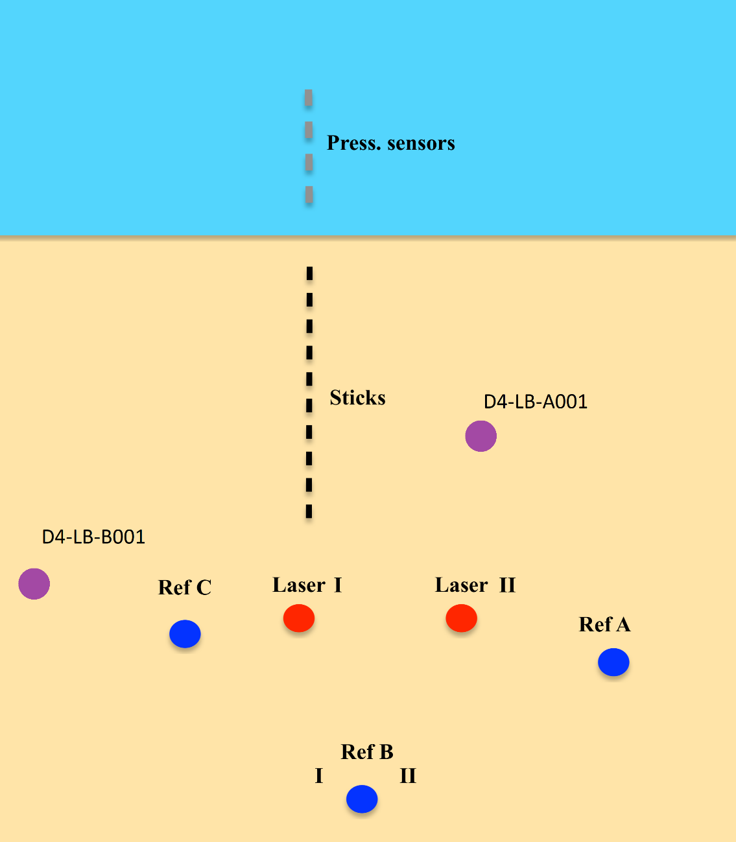
GPS Metadata
Day 6 | Z

D6-LB-A-001 | 17.4
D6-LB-BI-001 | 48.7
D6-LB-BII-001 | 14
D6-LB-C-001 | 14.7
D6-LB-MF-B001 | 72.5
D6-LB-MF-A001 | 66.2
D6-LB-MF-C001 | 86

D6-LB-C001

